Indices

 | Iraq Stock Exchange
 | Bulletin No (223)

 | ISX Trading Indices of Sunday 14/12/2025

 | Traded Volume and OTC |  | 534,326,367 |  | Traded Value and OTC |  | 696,230,189 |  | Traders | 800

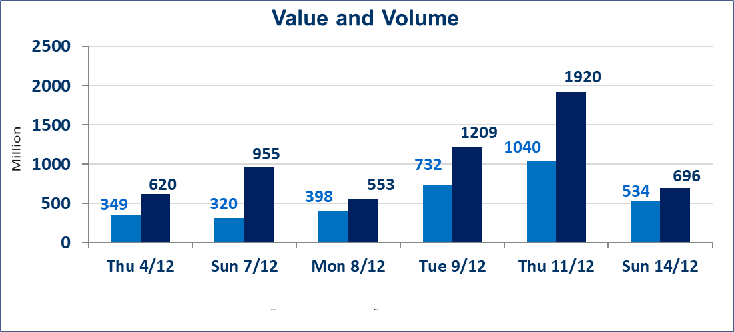
 | ISX Index 60 |  |  | 951.88 | ISX Index 15 |  |  | 1182.41
 | Previous ISX Index60 |  |  | 957.12 | Previous ISX Index15 |  |  | 1188.30
 | Change % |  |  | -0.55 | Change % |  |  | -0.50
 | Change |  |  | -5.24 | Change |  |  | -5.89

 | Listed Companies | 104 | OTC | 14 | Non Traded listed | 37 | OTC | 11
 | Traded Listed Companies | 52 | OTC | 1 | Higher Companies |  |  | 17
 | GAM Companies |  |  | 5 | Lower Companies |  |  | 15
 | Suspended Companies |  |  | 10
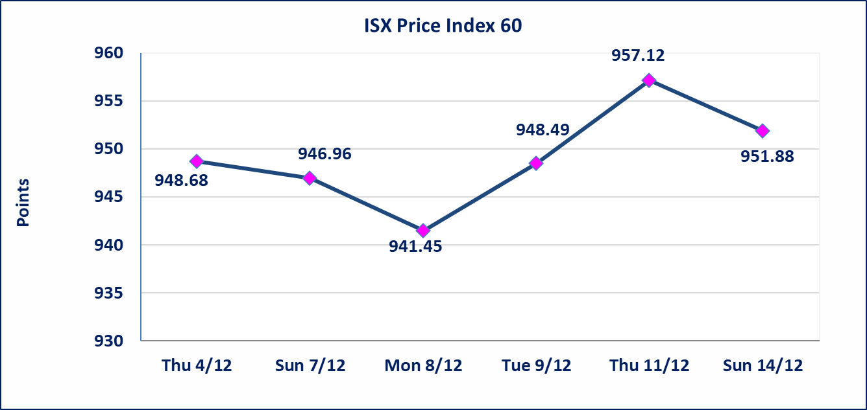
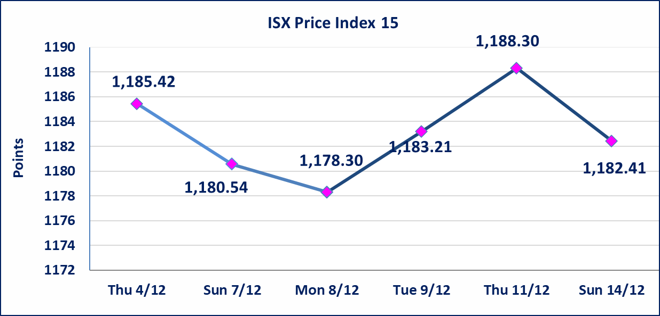

Al-Alwiya P.O . 3607 Mobile: 07711211522 - 07270094594 - 07834000034 E-mail: info-isx@isx-iq.net Web site:www.isx-iq.net

Top 5
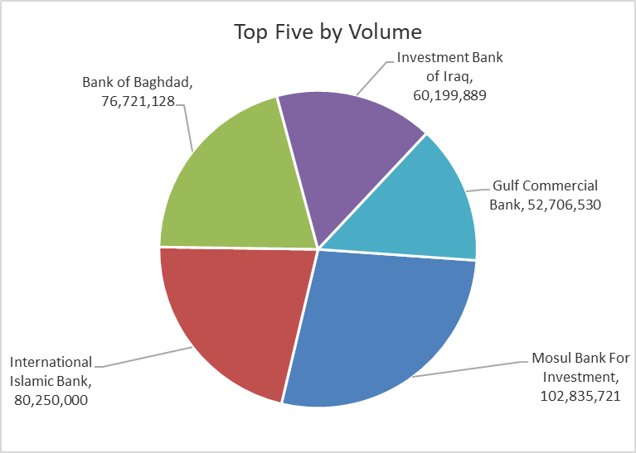
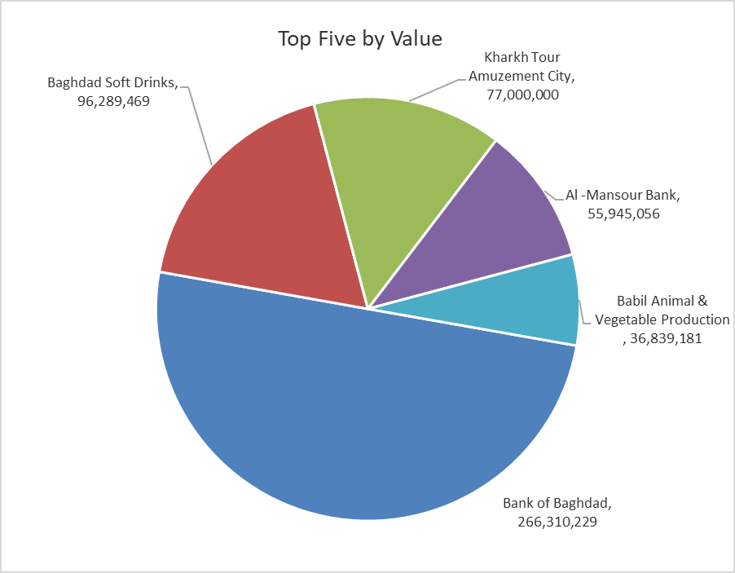
ISX top ganing and losing companies
Sunday 14/12/2025
Gainers |  |  |  | Losers
Company Name | Closing Price | Change (%) | Traded Volume | Company Name | Closing Price | Change (%) | Traded Volume
Mansour Hotel | 43.700 | 15.00 | 301,325 | National Furniture Industries | 1.240 | -4.62 | 10,000
Mosul Bank For Investment | 0.160 | 14.29 | 102,835,721 | Gulf Commercial Bank | 0.280 | -3.45 | 52,706,530
Elaf Islamic Bank | 0.280 | 7.69 | 724,929 | Bank of Baghdad | 3.460 | -3.35 | 76,721,128
International Islamic Bank | 0.180 | 5.88 | 80,250,000 | Al-Ameen Estate Investment | 2.300 | -2.95 | 1,102,593
Investment Bank of Iraq | 0.240 | 4.35 | 60,199,889 | Al-Ameen for Insurance | 0.900 | -2.17 | 505,056

The most active companies in term of traded volume and value

Traded Volume |  |  |  | Traded Value
Company Name | Closing Price | Change (%) | Traded Volume | Company Name | Closing Price | Change (%) | Traded Value
Mosul Bank For Investment | 0.160 | 14.29 | 102,835,721 | Bank of Baghdad | 3.460 | -3.35 | 266,310,229
International Islamic Bank | 0.180 | 5.88 | 80,250,000 | Baghdad Soft Drinks | 5.180 | -0.77 | 96,289,469
Bank of Baghdad | 3.460 | -3.35 | 76,721,128 | Kharkh Tour Amuzement City | 5.500 | 0.00 | 77,000,000
Investment Bank of Iraq | 0.240 | 4.35 | 60,199,889 | Al -Mansour Bank | 1.940 | -0.51 | 55,945,056
Gulf Commercial Bank | 0.280 | -3.45 | 52,706,530 | Babil Animal & Vegetable Production | 11.100 | 1.37 | 36,839,181

OTC

Iraq Stock Exchange

Sunday 14/12/2025
OTC Platform Trading Bulletin No (223)
Company Name | Code | highest price | lowest price | Average price | No.of Trades | Traded Volume | Traded Value
Banks Sector
Al-Warka Bank | BWAI | 0.090 | 0.080 | 0.080 | 10 | 22,384,321 | 1,790,756
Total Of Banks Sector |  |  |  |  | 10 | 22,384,321 | 1,790,756
Total |  |  |  |  | 10 | 22,384,321 | 1,790,756

Not Trading OTC Companies
Company Name |  |  | Code |  | Previous Average price
Banks Sector
Al-Sanam Islamic Bank |  |  | BSAN |  | 3.000
Hammurabi Commercial Bank |  |  | BHAM |  | ـــــــــــــــــــــــــــــــــــ
Industrial Sector
Kirkuk producing constructional materials |  |  | IKFP |  | 1.260
Money Service Sector
Rabee Securities |  |  | FRSE |  | 9.500
Karmal Brokerage |  |  | FKSX |  | 10.000
Ishtar Gate for e-Paymant |  |  | FISH |  | 1.000
Sama Baghdad Exchange |  |  | FSBE |  | ـــــــــــــــــــــــــــــــــــ
Iraqi Deposit Insurance Corporation |  |  | FIDI |  | ـــــــــــــــــــــــــــــــــــ
Insurance Sector
Al Badia Insurance |  |  | NBAD |  | ـــــــــــــــــــــــــــــــــــ
Shatt Al Arab Insurance |  |  | NSHA |  | 1.000
Dilina Insurance Company |  |  | NDIL |  | ـــــــــــــــــــــــــــــــــــ

Non Iraqis

Iraq Stock Exchange
Non Iraqis' Bulletin Sunday Dec 14 2025
Regular Market

Non Iraqi Trading of Regular Market (Sell)
Company Names | Code | No.of trades | Traded Shares | Trading Volume
Banks Sector
Al-Mansour Bank | BMNS | 8 | 4,434,882 | 8,648,020
Total Bank sector |  | 8 | 4,434,882 | 8,648,020
Services Sector
AL-Nukhba for Construction | SNUC | 1 | 1,000 | 880
Total Services sector |  | 1 | 1,000 | 880
Industry Sector
Al -Khazer for Construction Materials | IKHC | 5 | 746,569 | 896,153
Total Industry sector |  | 5 | 746,569 | 896,153
Hotel Sector
AL-Sadeer Hotel | HSAD | 1 | 92,500 | 2,127,500
Total Hotel Sector |  | 1 | 92,500 | 2,127,500
Grand Total |  | 15 | 5,274,951 | 11,672,553

Non Iraqi Trading of Undisclosed Platform (Sell)
Company Names | Code | No.of trades | Traded Shares | Trading Volume
Industry Sector
ELectronic Industries | IELI | 7 | 1,500,000 | 2,875,212
Total Industry sector |  | 7 | 1,500,000 | 2,875,212
Grand Total |  | 7 | 1,500,000 | 2,875,212

